Quy_trinh
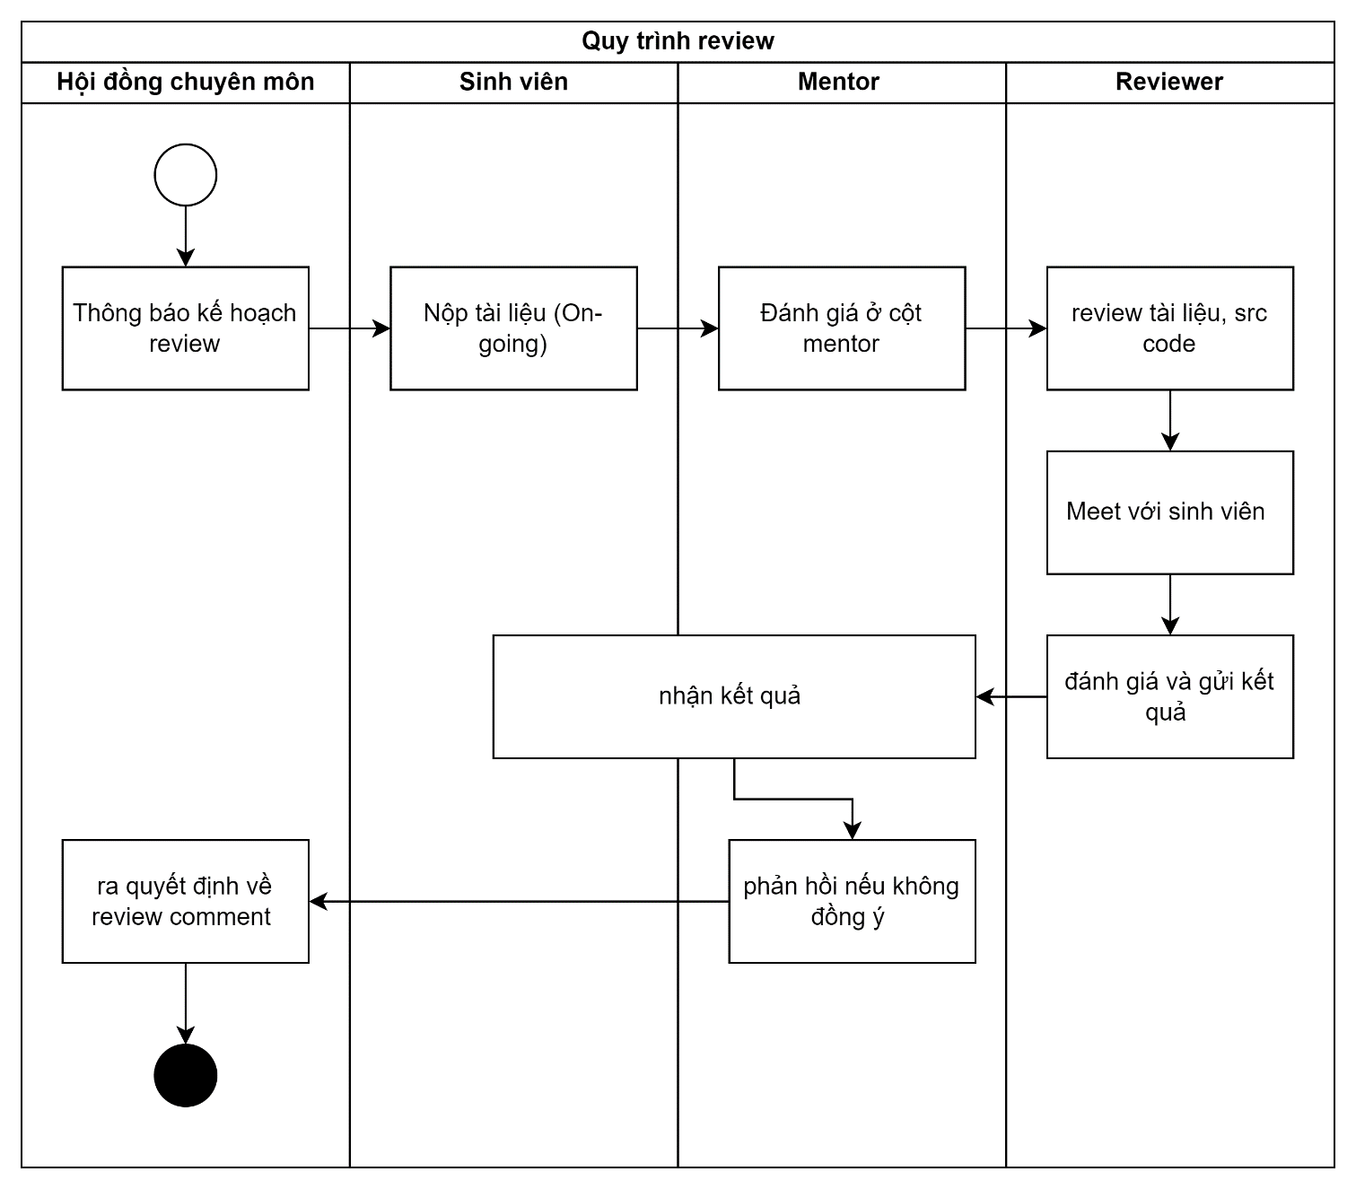
Hoạt động review đồ án giữa kỳ này được triển khai từ kỳ SU24
Nhằm cải thiện chất lượng sản phẩm đồ án và phát hiện sớm các nhóm
có vấn đề và hỗ trợ kịp thời

Việc review sẽ được điều phối bởi hội đồng chuyên môn,
Chủ nhiệm Bộ môn: Lê Thiện Nhật Quang (quangltn3@fe.edu.vn)

Việc review được thực hiện vào tuần 4,8,12 của kỳ đồ án

1 tuần trước buổi review:
- hội đồng thông báo thời hạn nộp sản phẩm và đánh giá
- nhóm sinh viên nộp tài liệu tới thời điểm hiện tại,
- mentor sử dụng template này và đánh giá ở cột mentor
trong vòng 1 ngày sau buổi review
- reviewer gửi lại comment, keep CC TBM và các cán bộ liên quan

